National Road + Sub National Ro
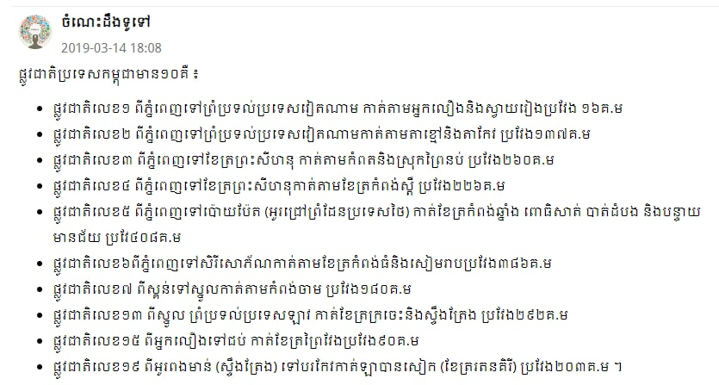
National Road List
National Road | Start Location | Finish Location | Through Location | Distance | Subway
1 | Phnom Penh | Vietnam Border | Neak Loeurng(Kandal) + Svay Rieng | 167 km | 11+112+114 connect with Second and Third Ring Road+369+317+336+331+314B
2 | Kbal Thnal (Phnom Penh) | Vietnam Border | Takmao + Takeo | 120 km | 21+Second and Third Ring Road+217+25+126+113
3 | Phnom Penh | Seyhanouk Ville | Kamport + Prey Nub (Seyhanuouk Ville) | 202 km | Third Ring Road+20A+125+25+31+41+43+33
4 | Phnom Penh | Seyhanouk Ville | Kampong Speu | 230 km | 42+41+46+43+48+800+129
5 | Phnom Penh | Poipet (Thai Border) | Kampong Chnang + Porsat + Battambang + Banteay Meanchey | 407 km | 61+Kob Srov+598+130+61+51+52+53+146+152+155+154+57+57B
6 | Phnom Penh | SereySorphorn Capital | Kampong Thom + Siem Reap | 416 km | Win Win(Boulevard)+61+60+71+62+Domrey Chornkla+64+66+206+67+Ring Road Boulevard+Bo pagoda+Bakhaeng+202+201+68+56
7 | Skun(Kampong Cham) | Thai border | Kampong Cham+Kratie | 460 km | 60+71+11+73+8+72+76+308+78+64
8 | Ksach Kandal(Kandal) | Punheakraek(Tbong Kmuom) | Prey Veng | 125 km | 380+314+315+319
9 | Stoeung Traeng | Preah Vihear | Stoeung Traeng + Preah Vihear | 142 km
10 | Battambang | Koh Kong | Porsat | 197 km

Province->Province
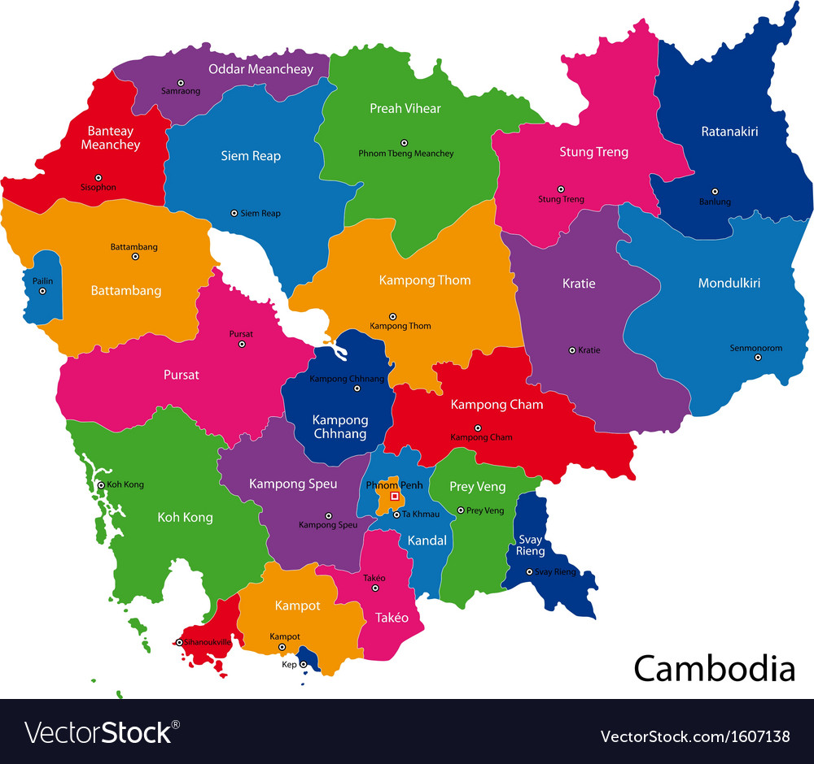
Distance from Province to Provinces
No | Location | Goal | National Road Connection | Distance
01 | Prey Veng(Krong Preyveng) | Svay Rieng(Barveth) | 1,317,11 | 120 km
02 | Prey Veng(Krong Preyveng) | Kandal(Takmao) | 1,11 | 93.7 km
03 | Prey Veng(Krong Preyveng) | Kompong cham(Krong Kampong Cham) | 11 | 76 km
04 | Prey Veng(Krong Preyveng) | Tbong Khmum(Krong Sourng) | 11 | 68.2 km
05 | Kandal(Krong Takmao) | Takeo(Doun Keo) | 2 | 65 km
06 | Kandal(Krong Takmao) | Kompong cham(Krong Kampong Cham) | 6,7 | 138 km
07 | Kandal(Krong Takmao) | kompong chhnang(Krong Kampong Chhnang | 5 | 106 km
08 | Kandal(Krong Takmao) | Kompong speu(Krong Chbar Morn) | 20A,130,44,41,3 | 55.7 km
09 | Takeo(Krong Doun Kaev) | Kampot(Krong Kampot) | 2,3,22 | 89.6 km
10 | Takeo(Krong Doun Kaev) | Kompong speu(Krong Chbar Morn) | 3,143 | 81.8 km
11 | Kampot(Krong Kampot) | Kep(Krong Kep) | 3,33 | 29.8 km
12 | Kampot(Krong Kampot) | Preah sihanouk(Krong Preah Seyhanouk) | 3,4 | 98.6
13 | Kampot(Krong Kampot) | Kompong speu(Krong Chbar Mon) | 141,43,3 | 126 km
14 | Preah sihanouk(Krong Preah Seyhanouk) | Koh Kong(Krong Khemara Phoumin) | 4,48 | 232 km
15 | Preah sihanouk(Krong Preah Seyhanouk) | Kompong Speu(Krong Chbar Mon) | Fast Road,4 | 168 km
16 | Kompong speu(Krong Chbar Mon) | Koh Kong(Krong Khemara Phoumin) | 4,48 | 243 km
17 | Kompong speu(Krong Chbar Mon) | Pursat(Krong Pursat) | 5,51 | 214 km
18 | Kompong speu(Krong Chbar Mon) | Kampong Chhnang(Krong Kampong Chhnang) | 1,440,136 | 109 km
19 | Koh Kong(Krong Khemara Phoumin) | Kampot(Krong Kampot) | 4,48 | 242 km
20 | Koh Kong(Krong Khemara Phoumin) | Pursat(Krong Pursat) | 55 | 229 km
21 | Pursat(Krong Pursat) | Battambang(Krong Battambong) | 5,146 | 116 km
22 | Pursat(Krong Pursat) | Siem Reap(Krong Siemreap) | 5,6 | 284 km
23 | Pursat(Krong Pursat) | Kampong Thom(Krong Stoeung Sen) | 5,6 | 303 km
24 | Battambang(Krong Battambang) | Banteay Meanchey(Serey Sorphorn,Poi Pet) | 5,56 | 89.3 km
25 | Battambang(Krong Battambang) | Kompong Thom(Krong Stoeung Sen) | 5,6 | 325 km
26 | Battambang(Krong Battambang) | Siem Reap(Krong Siemreap) | 5,6 | 163 km
27 | Battambang(Krong Battambang) | Pailen(Krong Pailen) | 57 | 84.1 km
28 | Siem Reap(Krong Siem Reap) | Banteay Meanchey(Serey Sorphorn,Poi Pet) | 6 | 107 km
29 | Siem Reap(Krong Siem Reap) | Oddar Meanchey(Krong Samrong) | 6,68 | 137 km
30 | Siem Reap(Krong Siem Reap) | Preah Vihear(Krong Preah Vihear) | 64 | 167 km
31 | Siem Reap(Krong Siem Reap) | Kampong Thom(Krong Stoeung Sen) | 6 | 148 km
32 | Kampong Thom(Krong Steoung Sen) | Kampong Cham(Krong Kampong Cham) | 71,6 | 113 km
33 | Kampong Thom(Krong Steoung Sen) | Preah Vihear(Krong Preah Vihear) | 62 | 130 km
34 | Kampong Thom(Krong Steoung Sen) | Kratie(Krong Kratie) | 71,73 | 186 km
35 | Kampong Thom(Krong Steoung Sen) | Stoeung Treng(Krong Stoeung Treng) | 62,64 | 237 km
36 | Mondulkiri(Krong Senmonorom) | Rathanak Kiri(Krong Banlung) | 76 | 187 km
37 | Mondulkiri(Krong Senmonorom) | Stoeung Treng(Krong Stoeung Treng) | 76,78 | 305 km
38 | Mondulkiri(Krong Senmonorom) | Kratie(Krong Kratie) | 7,76 | 216 km
39 | Kampong Cham(Krong Kampong Cham) | Kratie(Krong Kratie) | 73,308 | 128 km
40 | Kampong Cham(Krong Kampong Cham) | Kampong Chhnang(Krong Kampong Chhnang) | 5,61,6,7 | 152 km

